Sheet1
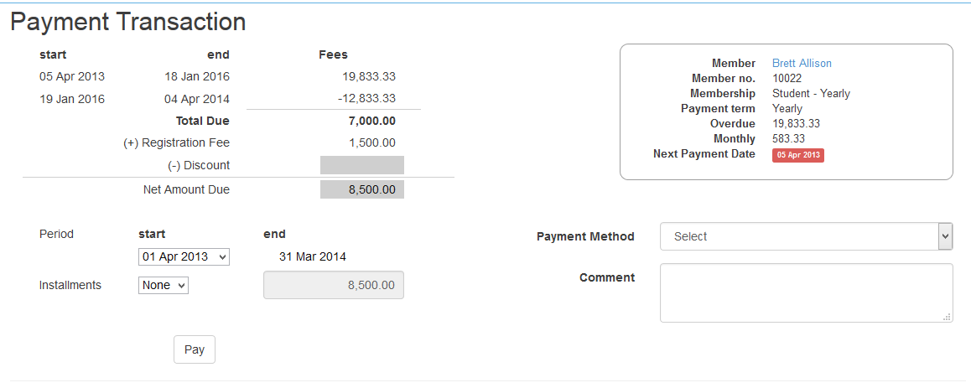

In case of overdue by more than 1 year
start | end | fees
5-Apr-13 | 30-Dec-15 | 19000 | prorata till end of last month | overdue calculated (yearly amt / 365 ) * no. of days overdue
1-Jan-16 | 31-Dec-16 | 7000 | start of current month

no options anymore, since there is discount
period | 1-Jan-16 | 31-Dec-16

normal
1-Feb-15 | 29-Feb-16

pay in advance
1-Mar-16 | 28-Feb-17

Installment same logic

